lte_l1_dl_throughput_all_carri
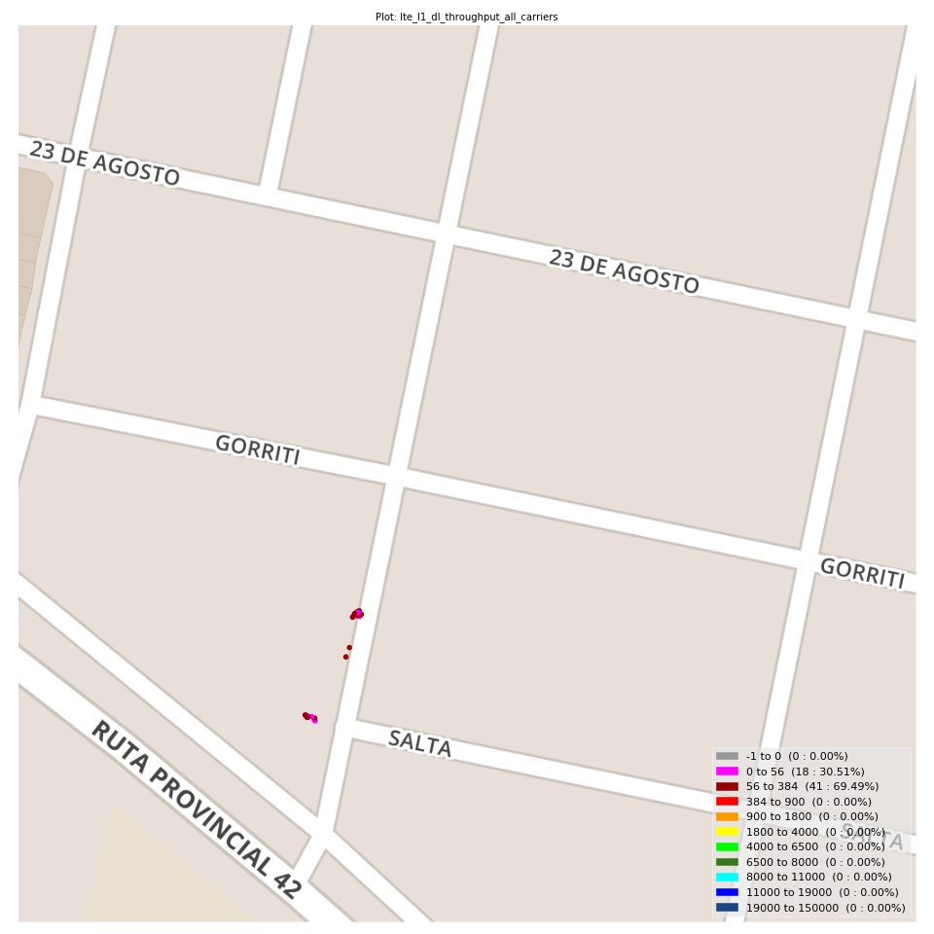
lte_l1_dl_throughput_all_carriers Report

Sampling Distribution Histogram
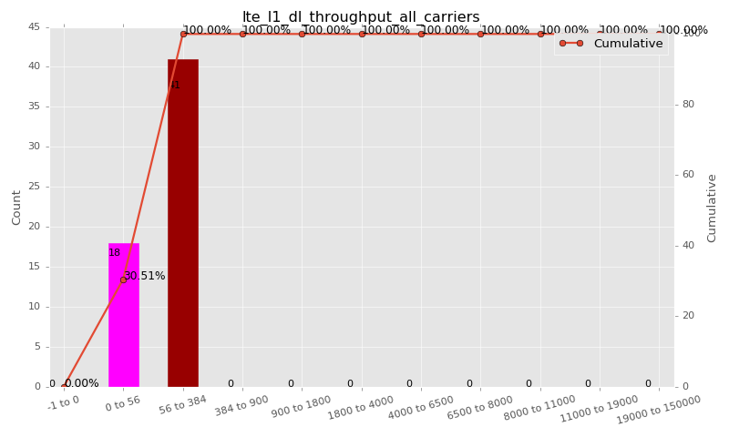

Sampling Distribution Table (first 10 ranges)
ColorXml | Lower | Upper | N Samples | Range | % | Cumulative %
 | -1 | 0 | 0 | -1 to 0 | 0.00 | 0.00
 | 0 | 56 | 18 | 0 to 56 | 30.51 | 30.51
 | 56 | 384 | 41 | 56 to 384 | 69.49 | 100.00
 | 384 | 900 | 0 | 384 to 900 | 0.00 | 100.00
 | 900 | 1800 | 0 | 900 to 1800 | 0.00 | 100.00
 | 1800 | 4000 | 0 | 1800 to 4000 | 0.00 | 100.00
 | 4000 | 6500 | 0 | 4000 to 6500 | 0.00 | 100.00
 | 6500 | 8000 | 0 | 6500 to 8000 | 0.00 | 100.00
 | 8000 | 11000 | 0 | 8000 to 11000 | 0.00 | 100.00
 | 11000 | 19000 | 0 | 11000 to 19000 | 0.00 | 100.00

Basic statistics
N | 59
Mean | 92.41
SD | 77.96
MAX | 380.96
Median | 80.00
Min | 4.25

Geographical Plot

lte_inst_rsrp_1
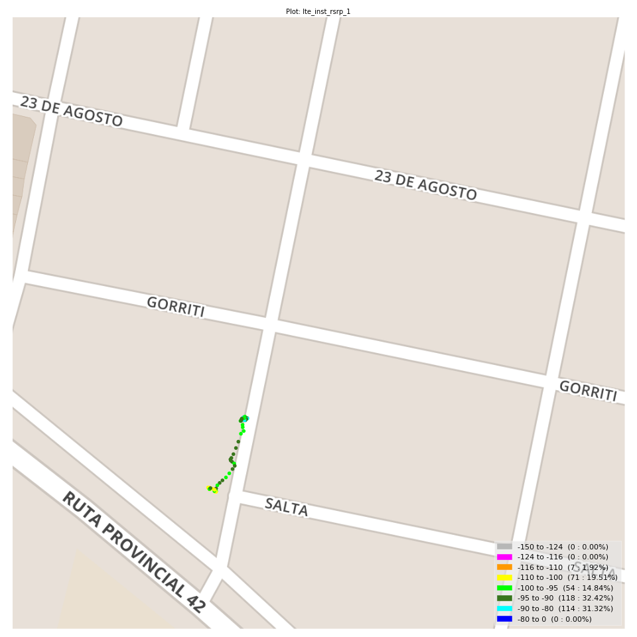
lte_inst_rsrp_1 Report

Sampling Distribution Histogram
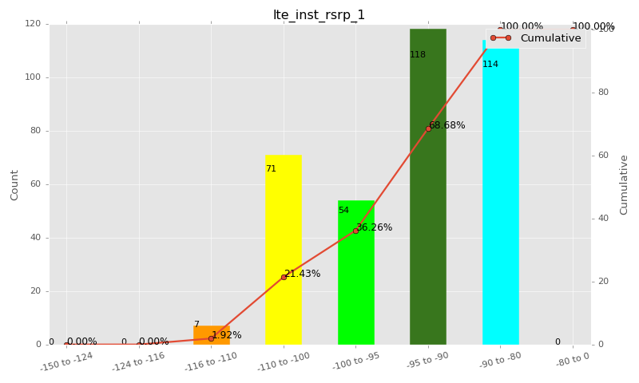

Sampling Distribution Table (first 10 ranges)
ColorXml | Lower | Upper | N Samples | Range | % | Cumulative %
 | -150 | -124 | 0 | -150 to -124 | 0.00 | 0.00
 | -124 | -116 | 0 | -124 to -116 | 0.00 | 0.00
 | -116 | -110 | 7 | -116 to -110 | 1.92 | 1.92
 | -110 | -100 | 71 | -110 to -100 | 19.51 | 21.43
 | -100 | -95 | 54 | -100 to -95 | 14.84 | 36.26
 | -95 | -90 | 118 | -95 to -90 | 32.42 | 68.68
 | -90 | -80 | 114 | -90 to -80 | 31.32 | 100.00
 | -80 | 0 | 0 | -80 to 0 | 0.00 | 100.00

Basic statistics
N | 364
Mean | -94.54
SD | 6.93
MAX | -82.12
Median | -92.54
Min | -111.13

Geographical Plot

lte_inst_rsrq_1
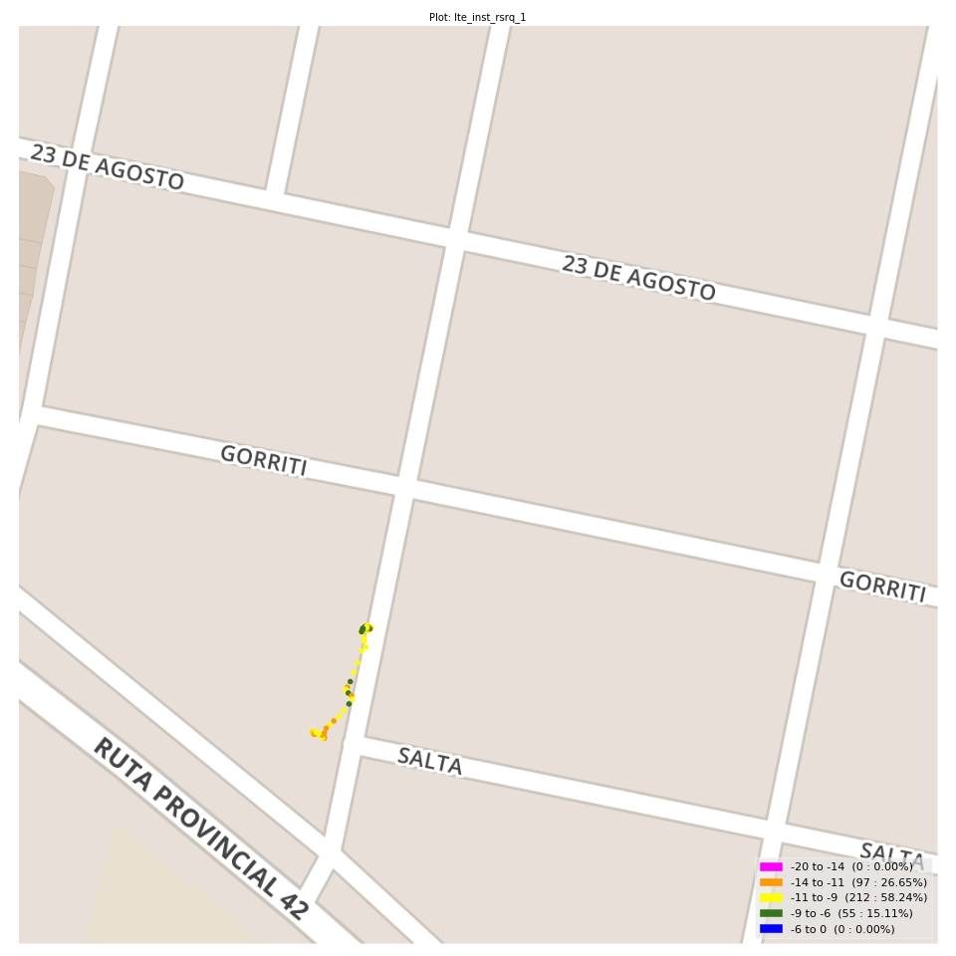
lte_inst_rsrq_1 Report

Sampling Distribution Histogram
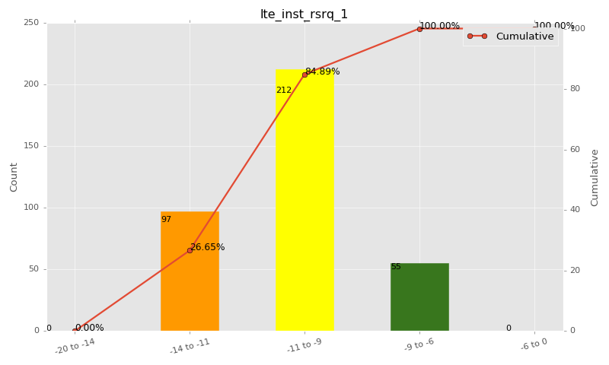

Sampling Distribution Table (first 10 ranges)
ColorXml | Lower | Upper | N Samples | Range | % | Cumulative %
 | -20 | -14 | 0 | -20 to -14 | 0.00 | 0.00
 | -14 | -11 | 97 | -14 to -11 | 26.65 | 26.65
 | -11 | -9 | 212 | -11 to -9 | 58.24 | 84.89
 | -9 | -6 | 55 | -9 to -6 | 15.11 | 100.00
 | -6 | 0 | 0 | -6 to 0 | 0.00 | 100.00

Basic statistics
N | 364
Mean | -10.25
SD | 1.16
MAX | -7.06
Median | -10.19
Min | -13.56

Geographical Plot

lte_inst_rssi_1
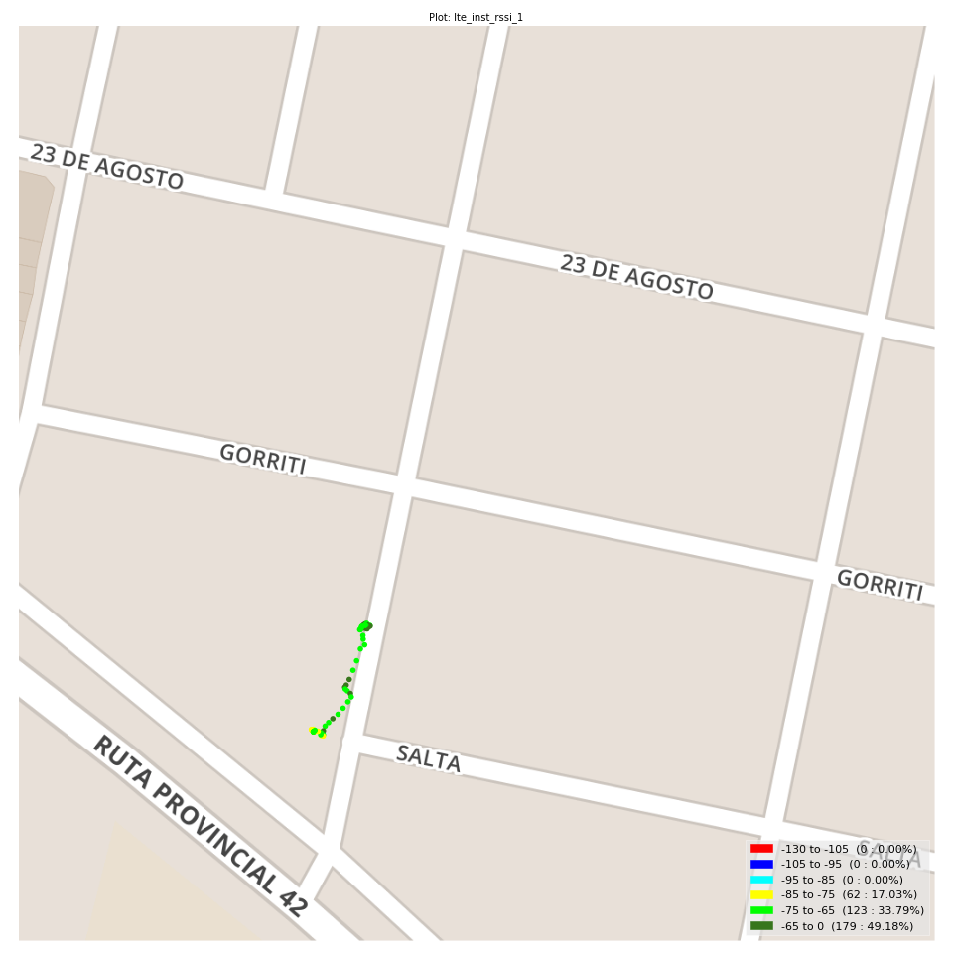
lte_inst_rssi_1 Report

Sampling Distribution Histogram
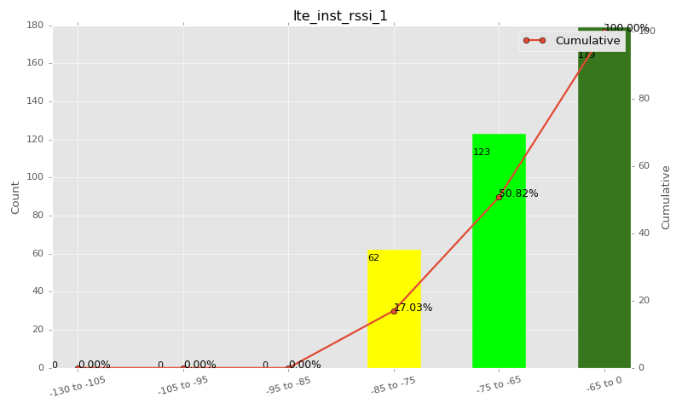

Sampling Distribution Table (first 10 ranges)
ColorXml | Lower | Upper | N Samples | Range | % | Cumulative %
 | -130 | -105 | 0 | -130 to -105 | 0.00 | 0.00
 | -105 | -95 | 0 | -105 to -95 | 0.00 | 0.00
 | -95 | -85 | 0 | -95 to -85 | 0.00 | 0.00
 | -85 | -75 | 62 | -85 to -75 | 17.03 | 17.03
 | -75 | -65 | 123 | -75 to -65 | 33.79 | 50.82
 | -65 | 0 | 179 | -65 to 0 | 49.18 | 100.00

Basic statistics
N | 364
Mean | -66.99
SD | 6.72
MAX | -55.12
Median | -65.12
Min | -82.88

Geographical Plot

lte_sinr_rx0_1
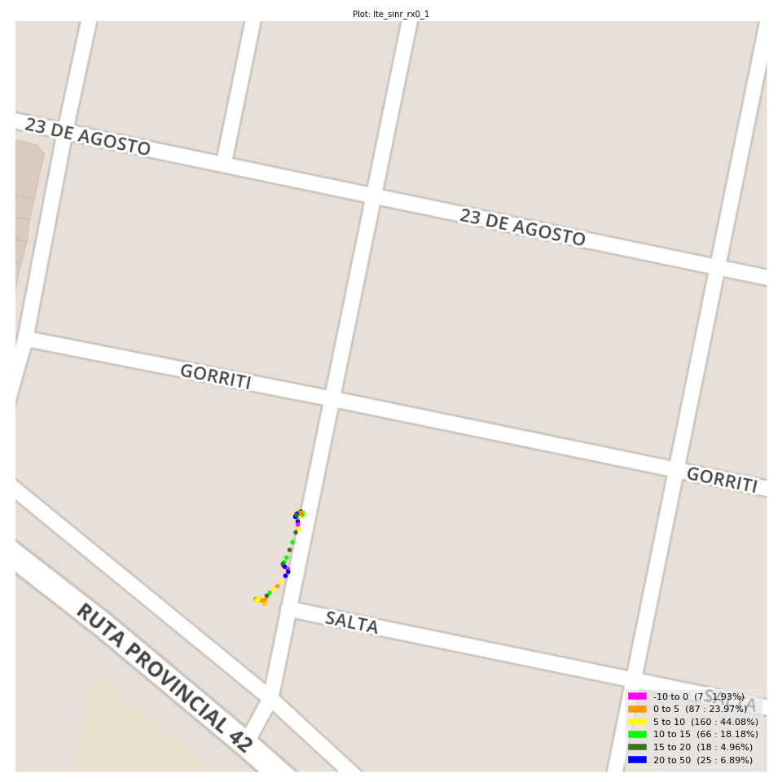
lte_sinr_rx0_1 Report

Sampling Distribution Histogram
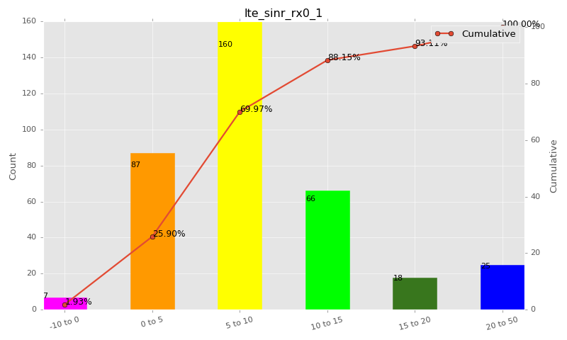

Sampling Distribution Table (first 10 ranges)
ColorXml | Lower | Upper | N Samples | Range | % | Cumulative %
 | -10 | 0 | 7 | -10 to 0 | 1.93 | 1.93
 | 0 | 5 | 87 | 0 to 5 | 23.97 | 25.90
 | 5 | 10 | 160 | 5 to 10 | 44.08 | 69.97
 | 10 | 15 | 66 | 10 to 15 | 18.18 | 88.15
 | 15 | 20 | 18 | 15 to 20 | 4.96 | 93.11
 | 20 | 50 | 25 | 20 to 50 | 6.89 | 100.00

Basic statistics
N | 363
Mean | 8.64
SD | 6.10
MAX | 29.50
Median | 7.30
Min | -4.30

Geographical Plot

lte_sinr_rx1_1

lte_sinr_rx1_1 Report

Sampling Distribution Histogram
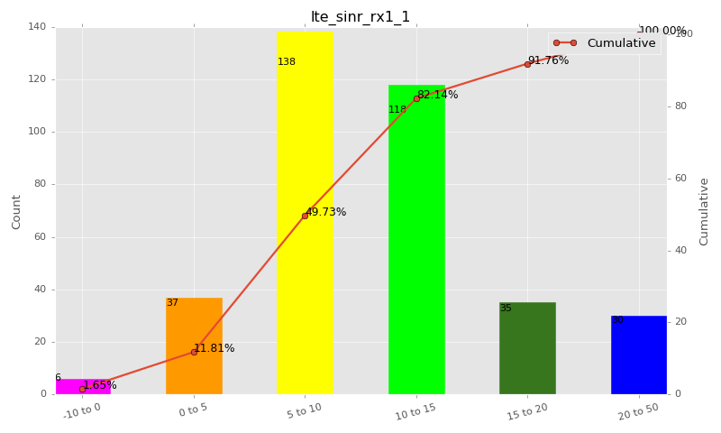

Sampling Distribution Table (first 10 ranges)
ColorXml | Lower | Upper | N Samples | Range | % | Cumulative %
 | -10 | 0 | 6 | -10 to 0 | 1.65 | 1.65
 | 0 | 5 | 37 | 0 to 5 | 10.16 | 11.81
 | 5 | 10 | 138 | 5 to 10 | 37.91 | 49.73
 | 10 | 15 | 118 | 10 to 15 | 32.42 | 82.14
 | 15 | 20 | 35 | 15 to 20 | 9.62 | 91.76
 | 20 | 50 | 30 | 20 to 50 | 8.24 | 100.00

Basic statistics
N | 364
Mean | 10.94
SD | 5.97
MAX | 29.90
Median | 10.00
Min | -2.50

Geographical Plot

lte_physical_cell_id_1
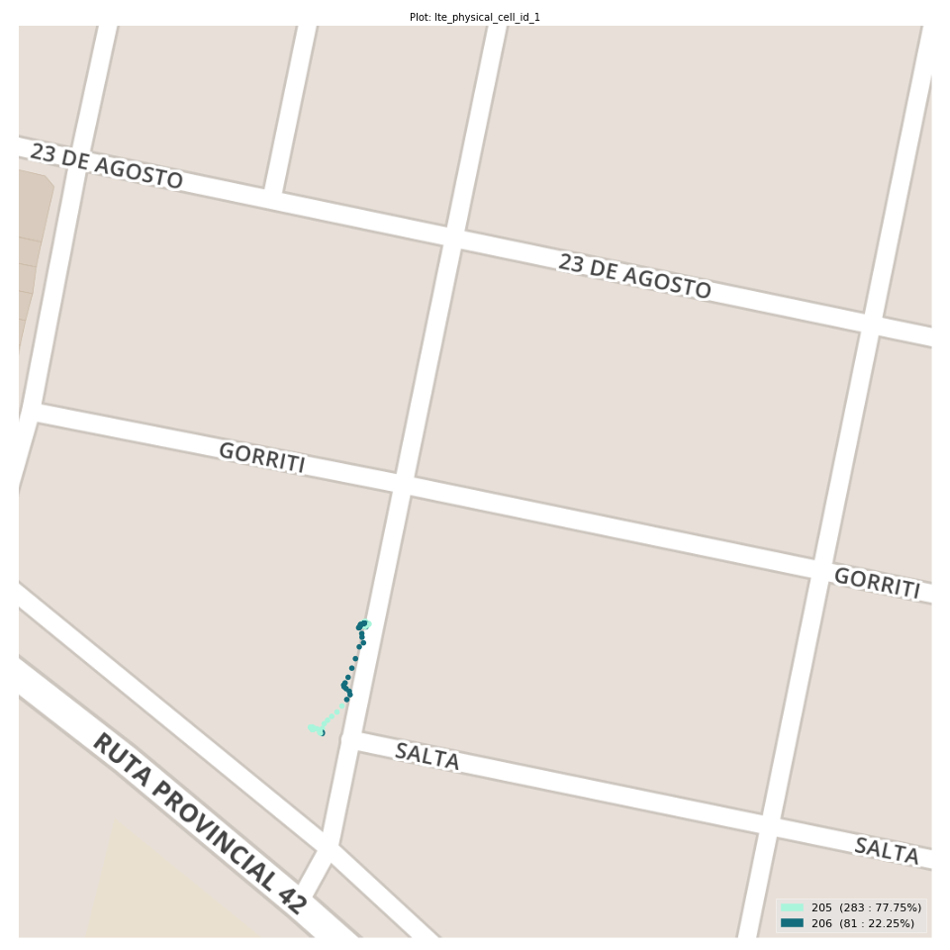
lte_physical_cell_id_1 Report

Sampling Distribution Histogram
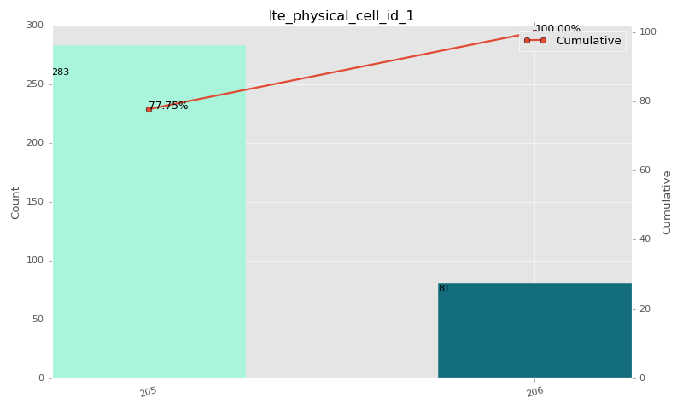

Sampling Distribution Table (first 10 ranges)
ColorXml | Lower | Upper | match_value | N Samples | Range | % | Cumulative %
 |  |  | 205 | 283 |  | 77.75 | 77.75
 |  |  | 206 | 81 |  | 22.25 | 100.00

Basic statistics
N | 364
Mean | N/A (id-type column: lte_physical_cell_id_1)
SD | N/A (id-type column: lte_physical_cell_id_1)
MAX | N/A (id-type column: lte_physical_cell_id_1)
Median | N/A (id-type column: lte_physical_cell_id_1)
Min | N/A (id-type column: lte_physical_cell_id_1)

Geographical Plot

lte_earfcn_1
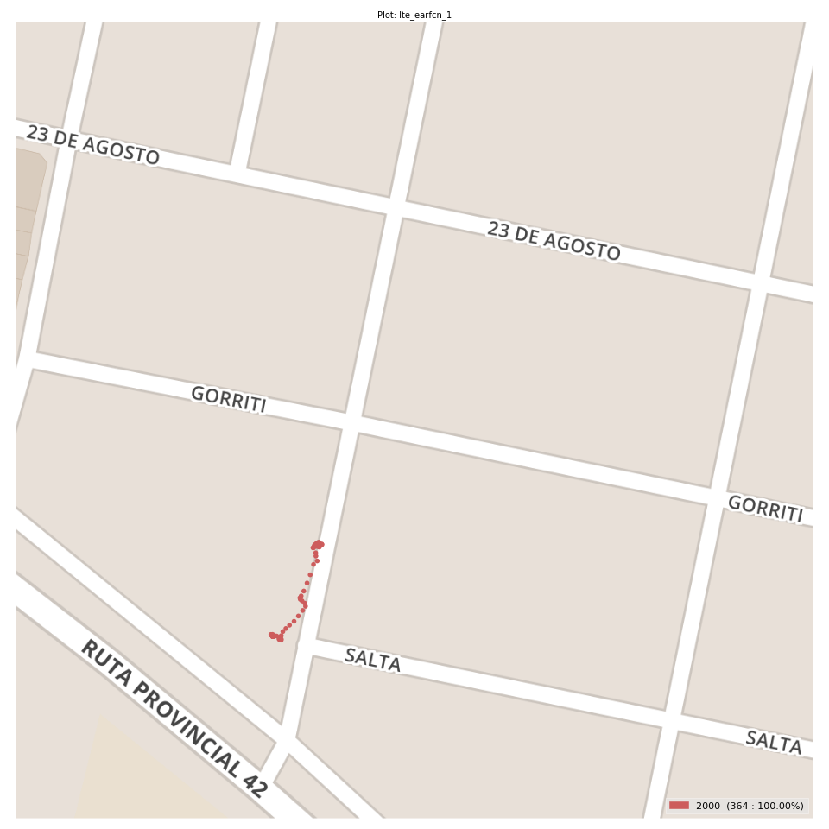
lte_earfcn_1 Report

Sampling Distribution Histogram
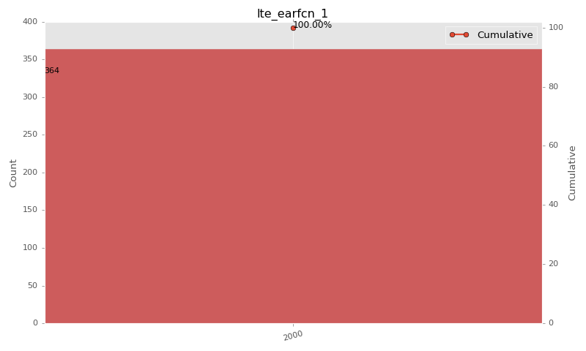

Sampling Distribution Table (first 10 ranges)
ColorXml | Lower | Upper | match_value | N Samples | Range | % | Cumulative %
 |  |  | 2000 | 364 |  | 100.00 | 100.00

Basic statistics
N | 364
Mean | N/A (id-type column: lte_earfcn_1)
SD | N/A (id-type column: lte_earfcn_1)
MAX | N/A (id-type column: lte_earfcn_1)
Median | N/A (id-type column: lte_earfcn_1)
Min | N/A (id-type column: lte_earfcn_1)

Geographical Plot

